Technical Requirements Document
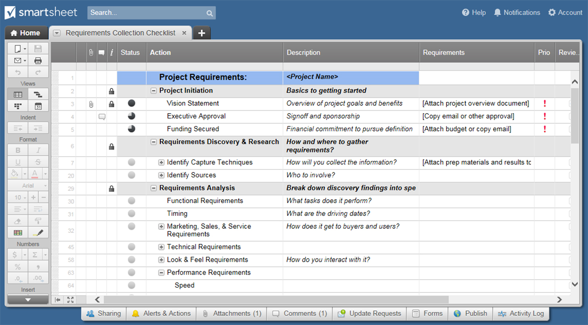
H2: TECHNICAL REQUIREMENTS DOCUMENT TEMPLATE
ORGANIZATION
PROJECT NAME
NAME |  | MAILING ADDRESS
PHONE
EMAIL
DATE |  | AUTHOR

DOCUMENT TRACKING
VERSION | EDITS COMPLETED BY | DATE | DESCRIPTION OF EDIT

PROJECT
OVERVIEW | High-level information describing proposed solution, what the project works to achieve, and business reasoning

TECHNICAL REQUIREMENTS
FUNCTIONAL REQUIREMENTS
I D | D E S C R I P T I O N |  | R E M A R K S

REPORTING REQUIREMENTS
I D | D E S C R I P T I O N |  | R E M A R K S

SECURITY REQUIREMENTS
I D | D E S C R I P T I O N |  | R E M A R K S

TECHNICAL PROCESS FLOW

CONSIDERATIONS

ADDENDUMS & APPENDICES

CLICK HERE TO CREATE TECHNICAL REQUIREMENTS DOCUMENT TEMPLATES IN SMARTSHEET

